Bug Report1

Bug report 1

ID | Qa1

Summary | Button "SHOP NOW" is not clickable.

Description | When user goes to AutomationPractice homepage and clicks at the gray button "SHOP NOW" that is located ih the main slider with images at the homepage, it doesn't take user to the right page but instead at the https://www.prestashop.com/en?utm_source=v16_homeslider page.

Steps to reproduce bug | 1.Open Browser=Chrome
 | 2.Input URL=http://automationpractice.com/index.php
 | 3. Locate main image slider
 | 3. Locate gray button "SHOP NOW".
 | 4. Click at the button.

Exeptance result | Button should be clickable and it should take user to the shop menu.

Actual result | Button isn't clickable and it doesn't take user to the shop menu.

Screenshot | Bug1.jpg

Bug Report2

Bug report 1

ID | Qa2

Summary | Pictures at the Home page are not clickable.

Description | When user goes to AutomationPractice homepage and clicks at the one of the images located inside the main slideror next to it, it doesn't take user to the right page but instead at the https://www.prestashop.com/en?utm_source=v16_homeslider page.

Steps to reproduce bug | 1.Open Browser=Chrome
 | 2.Input URL=http://automationpractice.com/index.php
 | 3. Locate main image slider
 | 3. Locate images inside the main slider.
 | 4. Click at one of the images inside main slider.
 | 5.Locate images next to main slider
 | 6. Click at one of them.

Exeptance result | Images should be clickable and it should take user to the shop menu.

Actual result | Images aren't clickable and they don't take user to the shop menu.

Screenshot | Bug2.jpg

Bug Report3
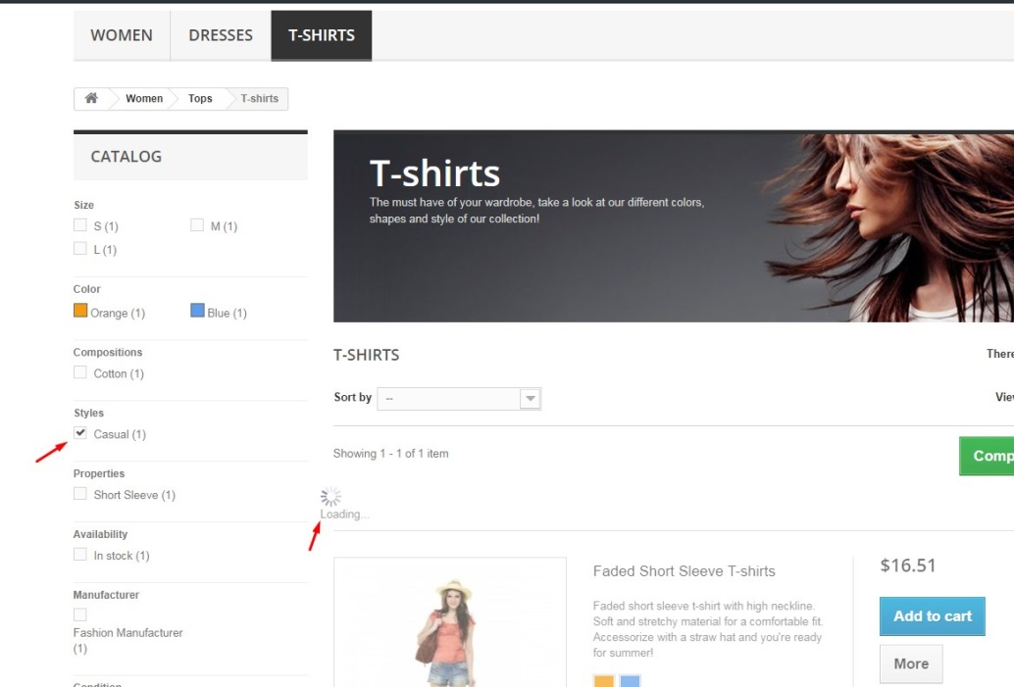
Bug report 1

ID | Qa3

Summary | Sorting of the products may have some issue

Description

Steps to reproduce bug | 1.Open Browser=Chrome
 | 2.Input URL=http://automationpractice.com/index.php
 | 3. Locate field T-Shirts and click
 | 4. Choose Casual t-shirt from catalog at the left part of the page
 | 4. Wait for the result of the sorting

Exeptance result | The selected product should be displayed

Actual result | The selected product isn't displayed

Screenshot | Bug3.jpg

